Macro Instructions
How to Use the Macro Function(s)
The purpose of this workbook is to provide a self-service mechanism for CMs to upload their monthly trackers into the BI Database.

BEFORE YOU BEGIN!
✔ Please ensure you have the MySQL ODBC Driver (v 5.3) installed on your machine.

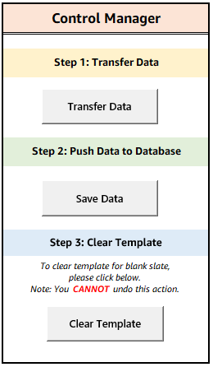
Step 1: Transfer Data
1. Open Developer form (leave this file minimized or open on your machine)
2. Navigate to the "GMP Breakdown" tab's Control Manager and click on the "Transfer Data" button
3. Enter exact name of Developer file in text field and click OK. DO NOT include ".xlsx"
Please allow ~10 seconds for transfer to complete.
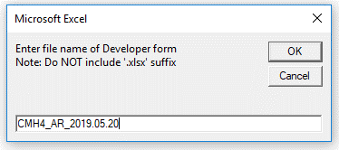

4. Click OK on the confirmation message prompt

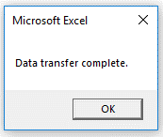

Note: In order for this macro to work, BOTH workbook files need to be opened

Step 2: Push Data to Database
1. Validate all information has been properly transferred to this workbook
2. Navigate to the "GMP Breakdown" tab's Control Manager and click on the "Save Data" button
Please allow ~15 seconds for transfer to complete.
3. Type in respective Business Unit alignment in text field and click OK
Please note this has been auto-populated for NACF. No action is needed, if this is the case; click OK to proceed.

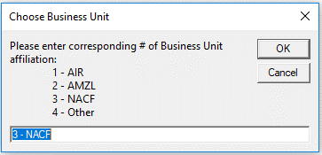

4. If the submission is successful, you will receive a confirmation of upload. Click OK to finish
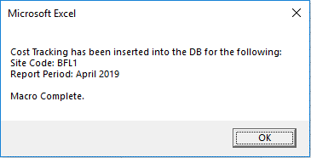

Note: If you receive any error messages upon clicking "Save Data", please carefully read the call out, address the concern(s), and click "Save Data" button again once you are ready to re-submit

5. After confirming completion, click Clear Template

Appendix:

Notes
• Please refrain from using special characters in any of the string text fields
OKAY characters include:
 | ✔ periods (.)
 | ✔ hyphens (-)
 | ✔ forward-slash (/)
 | ✔ backward-slash (\)
 | ✔ parenthesis ( )

• Date of the tracker [ 'GMP Breakdown'!C5 ] should yield the current date of data entry
(If not current date, then at least same month to which tracker was received from developer)

• Report Date is calculated as 'GMP Breakdown'!C5 - 1 month
Example: If the date entered in cell 'GMP Breakdown'!C5 = 05/20/2019 then the report date for that tracker will yield April 2019

FAQs

How do I install the Microsoft ODBC Driver?
Pre-requisite to installation: Identify which Microsoft Office Suite you are using, either 32-bit or 64-bit |  | Don't know? Click here to find out.

 | - If you are using MSFT Office 32-bit, you can install this by navigating to Amazon’s Software Center located on your machine:
 | Windows > Software Center > MySQL ODBC Connector 32-Bit

 | - If you are using MSFT Office 64-bit, please follow the instructions outlined in the following user manual:
 | ODBC Driver Installation Guide

Please contact the BIMOE team if you continue to experience issues after troubleshooting the two bullets listed above

I receive a run-time "Microsoft ODBC Driver Manager" error when attempting to Save Data. How can I resolve this?
Please ensure you have downloaded Microsoft's ODBC driver (version 5.3) on your machine. (Any variation of 5.3.XX is okay!)
For guidance on how to install the driver, please refer to the above question & answer.
If you have already installed the driver, try troubleshooting the following:
 | ✔ Do you have multiple ODBC driver versions installed? If so, uninstall the others which do not align to the 5.3 version
 | ✔ Open the ODBC Data Sources program on your machine.
 | Ensure you open the bit-version aligned to the Microsoft Office Suite you are using and have downloaded the driver for
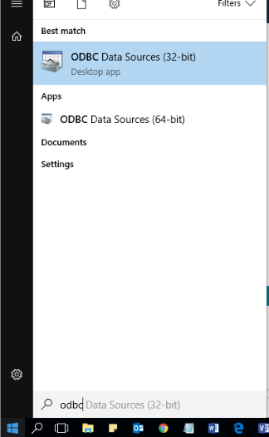

 | Click on Add under the "User DSN" tab. A new window will pop up
 | Scroll to see if "MySQL ODBC 5.3 ANSI Driver" is listed. If not, please refer to the question & answer above for instruction on how to install the correct driver
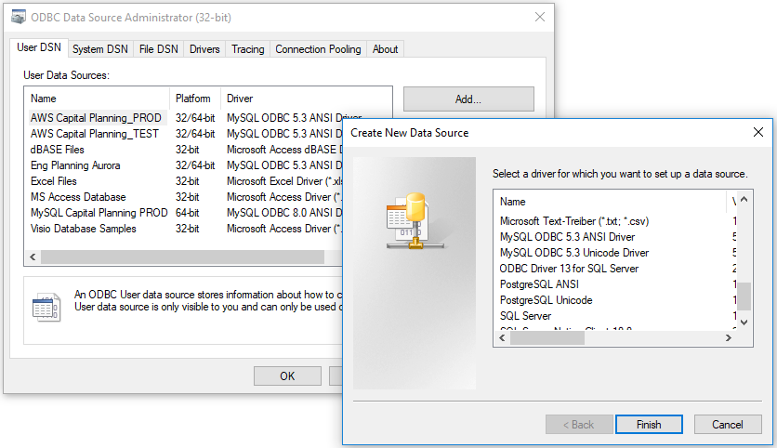

Please contact the BIMOE team if you continue to experience issues after troubleshooting the two bullets listed above

How do I know which Microsoft Office Suite I'm using?
1. In this workbook, click on File > Account
2. Click on the About Excel icon

3. Note the bit-version at the end of the first line
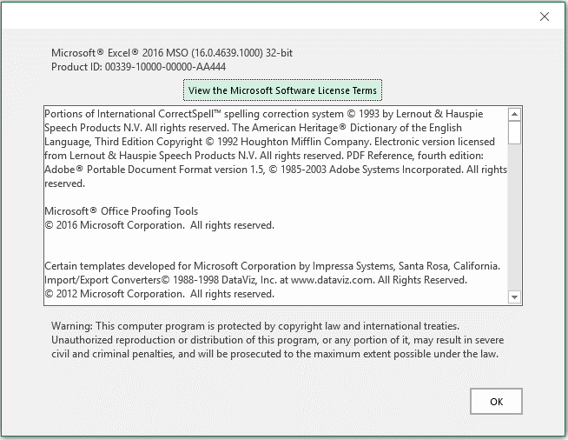

I receive a message prompt to override the data, what do I do?
This tool allows users the flexibility to re-enter data in case of any mistakes or changes needed.
If you ever need to make an adjustment, please follow guidance outlined on the message prompt and click OK
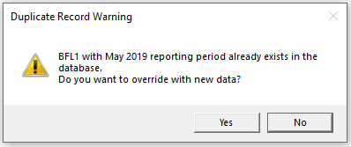

USERS WILL NOT BE ABLE TO MODIFY HISTORICAL DATA OVER 1 MONTH LAG!
Example: If current date is 06/06/2019, you will not be able to make any changes for a April 2019 tracker.

Should you need to make any revisions for whatever reason, please contact bimoe@amazon.com for assistance.

Change Control Summary
Guidance Notes:
- Do not include any blank lines in the "Summary of Changes" table
- Use the date format: MM/DD/YYYY
- Please insert data in all the columns of each line to prevent the tab and the boxes turning RED.
- To use the Project CashFlow, enter the Construction Start Date in Cell O7 of the GMP COST DATA Tab
 |  |  |  |  |  |  |  |  |  |  | FALSE |  | 1 |  |  |  |  |  | Project Cashflow + Change Control Summary
 |  |  |  | Project Cash Flow

 |  |  |  | Baseline Cashflow | Monthly |  |  |  |  |  |  |  |  |  |  |  |  | -

 |  |  |  | Actual Spend | Monthly |  |  |  |  |  |  |  |  |  |  |  |  | -
 |  |  |  | Updated Forecast | Monthly |  |  |  |  |  |  |  |  |  |  |  |  | -
 |  |  |  | Amazon CAPEX Spent | Monthly |  |  |  |  |  |  |  |  |  |  |  |  | -
 |  |  |  | Developer Spend | Monthly |  |  |  |  |  |  |  |  |  |  |  |  | -

Project Description:

 |  |  |  |  |  |  |  |  |  |  | Table Summary

Summary of Changes: |  |  |  |  |  |  |  |  |  |  | 0 | 0 | 0 | 0

No. | Date of Insertion: | GC Reference number | Short Description | Lev 2 Code | Area Code (W/O/Z/P) | Lev 1 Code | CSI CODE | EMEA CODE | In-Scope / Out of Scope | Root Cause of the Change | Change Amount |  |  |  | Estimate or Firm Cost? | CAR # | Risk Budget Used
 |  |  |  |  |  |  |  |  |  |  | Approved Cost | Anticipated Cost | Risk / Opportunity | Rejected / Closed
1 |  |  |  | 0
2 |  |  |  | 0 |  |  |  |  |  |  |  |  |  |  |  |  | € 0
3 |  |  |  | 0 |  |  |  |  |  |  |  |  |  |  |  |  | € 0
4 |  |  |  | 0 |  |  |  |  |  |  |  |  |  |  |  |  | € 0
5 |  |  |  | 0
6 |  |  |  | 0
7 |  |  |  | 0
8 |  |  |  | 0
9 |  |  |  | 0
10 |  |  |  | 0
11 |  |  |  | 0
12 |  |  |  | 0 |  |  |  |  |  |  |  |  |  |  |  |  | € 0
13 |  |  |  | 0 |  |  |  |  |  |  |  |  |  |  |  |  | € 0
14 |  |  |  | 0 |  |  |  |  |  |  |  |  |  |  |  |  | € 0
15 |  |  |  | 0 |  |  |  |  |  |  |  |  |  |  |  |  | € 0
 |  |  |  |  |  |  |  |  |  |  | € 0 | € 0 | € 0 | € 0 |  |  | € 0
 |  |  |  |  |  |  |  |  |  |  | 0 | 0

 | Root Cause |  | Definition
 | POR |  | Variations which change the operational capacity of the main warehouse. E.G. Increasing mezzanine from 80% to a W2W type
 | Programme |  | Adjustments to the Plan of Record dates including early access adjustments which will have a cost impact. E.G. Acceleration costs by GC
 | Claims |  | GC Claims for additional cost due to prolongation of programme that could relate to variations having an impact of time E.G. Volume or complexity
 | LP+IT |  | Additional requirements such as installing second fibre lines or increasing the supplies required for the site
 | Statutory |  | In-country legislation that is mandatory not captured in model design. E.G. Natural Sunlight Requirements and Local Fire Code Requirements
 | HR |  | Office Layout changes such as layout adjustments to the Offices (country specific), or the inclusion of additional rooms
 | WWD |  | Includes Design Change Instructions and template enhancements / development
 | AR |  | Change required to facilitate AR such as additional power and data drops, level floor installation
 | MHE |  | Engineering Changes - E.G. Additional Penetrations or builders work required to facilitate the MHE or Storage installation
 | Start-Up |  | Engineering Changes - E.G. Sprinklers or Additional Lighting under Conveyors
 | GC |  | Additional Claims by GC for changes to specification (not captured in any of the above) that may result in either additional costs or savings
 | Prov. Sums |  | This is the conversion of Provisional Sums to actual amounts for the Variation and could be either additional or a saving
 | Health & Safety |  | Changes to improve safety of the project
 | Operations |  | Changes requested by the local or country Ops Team LT
 | Open Book |  | Buy Out Savings from GC Contract or Work Package Procurement

